Introduction
2014 Dairy Cow Budget -
Large Breed

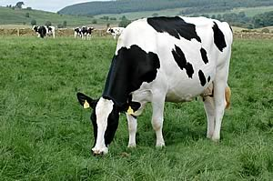

*This resource is based on large breed dairy cows being fed diets that consist of 80% corn silage and 20% hay for the forage portion. The budget includes the costs associated with a cow during the lactating and dry periods with a 13-month calving interval and is based on a 700-cow herd. Heifer calves are sold at birth, and the purchase of 0.33 of a springing heifer for a 33% cull rate is included as an item in the budget.
**Input your data in the boxes in green; blue boxes reveal calculated output


To view one of the example budgets,
click on one of the items below:
BUDGET
Feed Costs Calculations
Buildings and Machinery

To begin "Your Budget", first enter
the "Pounds of Milk Sold Per Cow"
in the "Budget" worksheet in M6
(CLICK HERE).
*This budget was prepared by: Barry Ward, Leader, Production Business Management; Dianne Shoemaker, Extension Field Specialist, Dairy; Maurice Eastridge, Extension Dairy Specialist, Department of Animal Sciences.

 | OSU EXTENSION

